Sheet1
TinyUrl : Url Shortening

Requirement
Capacity Estimation and Constraints

Database Design
System APIs
Basic System Design
and Algorithm
Data Partitioning
and Replication
functional
non-functional
Cache
User
- FullName
- Email
- CreateDate
- LastVisit
- IsDeleted
URL
- Title
- customAlias
- ExpireTime
- UserId (FK)
- createDate
- IsDeleted
Load Balancer
1- generate shorter url than main one
2- redirect url
3- user can pick custom url
4- url will expire after defined time
1- high up time
2- highly available
3- minimal latency for url redirection
4- shortend url should not be guessable
- GenerateUrl (api_dev_key , title , customAlias, oldUrl , expireTime) return : tinyUrl
- DeleteUrl (api_dev_key,tinyUrlId)
+
CRUD User
CRUD Url

Encoding Actual Url
with SHA256 or MD5
Use KGS (Key Generator Service) for URL as a key
Range Based
Hash-Based
80-20
based on address
LRU
کم استفاده ترین آدرس با جدید جایگزین میشه

تقسیم بندی براساس حروف الفبای انگلیسی
A...Z
براساس 256 کاراکتر موجود در هش
between client and app server
between app server and cache server
between app server and db server

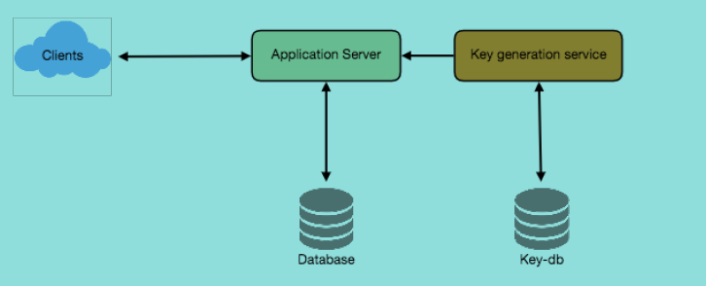
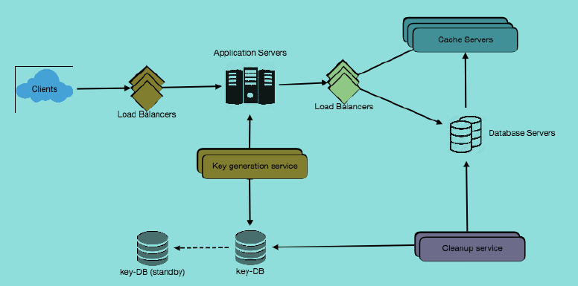

purging and db cleanup

- service should be lightweight
- set expire time for urls
- clean expired links from db or reuse them in future
- after removing link put the key back to db

high level design
1

detailed component design

